4429_200117
 |  |  |  |  |  |  |  |  |  |  |  | 23783
SEASON | ARTICLE | IMAGE 1 | COLOR | COLOR DESCRIPTION | PRODUCT NAME | SUPPL. CATEGORY | PARENT GROUP | GENDER | BRAND | WHS | RRP | QTY | 25 | 26 | 27 | 28 | 29 | 30 | 31 | 32 | 33 | 34 | 34,5 | 35 | 35,5 | 36 | 36,5 | 37 | 37,5 | 38 | 38,5 | 39 | 39,5 | 40 | 40,5 | 41 | 41,5 | 42 | 42,5 | 43 | 43,5 | 44 | 44,5 | 45 | 45,5 | 46 | 46,5 | 47 | 48 | 49 | 50
SS | 33061352 | 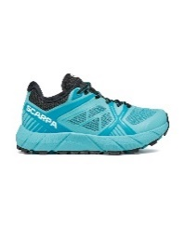 | 00001 | ATOLL/BLACK | SNEAKERS | S5040 TRAIL RUNNING | ADULT | FEMALE | SCARPA | €95.00 | €209.00 | 251 |  |  |  |  |  |  |  |  |  |  |  |  |  | 9 | 19 | 16 | 12 | 33 | 11 | 26 | 17 | 19 | 11 | 22 | 16 | 20 | 9 | 11
FW | 33075202 | 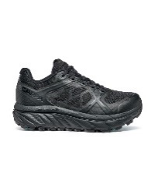 | 00003 | BLACK | SNEAKERS | S5040 TRAIL RUNNING | ADULT | FEMALE | SCARPA | €90.45 | €199.00 | 131 |  |  |  |  |  |  |  |  |  |  |  |  |  | 7 | 6 | 13 | 14 | 24 | 14 | 10 | 13 | 16 | 3 | 4 | 4 | 3
SS | 33076352 | 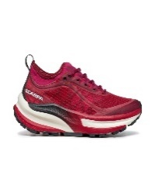 | 00003 | RED ROSE/WHITE | SNEAKERS | S5040 TRAIL RUNNING | ADULT | FEMALE | SCARPA | €75.00 | €165.00 | 574 |  |  |  |  |  |  |  |  |  |  |  |  |  | 4 |  | 67 | 47 | 126 | 58 | 79 | 38 | 83 | 35 | 25 | 4 | 3 | 3 | 2
SS | 33076352 | 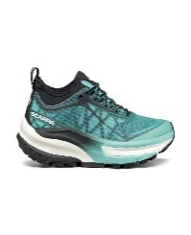 | 00008 | BLUE/BLACK | SNEAKERS | S5040 TRAIL RUNNING | ADULT | FEMALE | SCARPA | €75.00 | €165.00 | 727 |  |  |  |  |  |  |  |  |  |  |  |  |  | 6 |  | 54 | 29 | 109 | 59 | 132 | 64 | 135 | 61 | 61 | 2 | 11 | 2 | 2
SS | 33076352 | 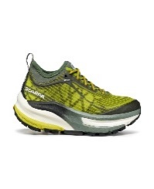 | 00009 | OASIS/DEEP GREEN | SNEAKERS | S5040 TRAIL RUNNING | ADULT | FEMALE | SCARPA | €75.00 | €165.00 | 124 |  |  |  |  |  |  |  |  |  |  |  |  |  | 15 | 5 | 24 | 12 | 9 | 5 | 23 |  | 21 | 2 | 7 |  | 1
SS | 33076352 | 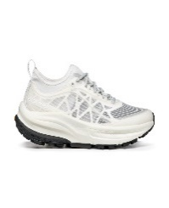 | 00010 | WHITE/WHITE | SNEAKERS | S5040 TRAIL RUNNING | ADULT | FEMALE | SCARPA | €75.00 | €165.00 | 126 |  |  |  |  |  |  |  |  |  |  |  |  |  | 18 | 9 | 26 | 2 | 16 | 1 | 11 |  | 12 |  | 15 | 10 | 4 | 2
FW | 33078202 | 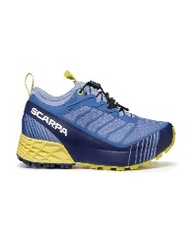 | 00001 | PORT ROYAL/RED ORANGE | SNEAKERS | S5040 TRAIL RUNNING | ADULT | FEMALE | SCARPA | €90.45 | €199.00 | 14 |  |  |  |  |  |  |  |  |  |  |  |  |  |  |  | 3 |  | 11
FW | 33078202 |  | 00002 | LAVENDER/SUNNY LIGHT | SNEAKERS | S5040 TRAIL RUNNING | ADULT | FEMALE | SCARPA | €90.45 | €199.00 | 7 |  |  |  |  |  |  |  |  |  |  |  |  |  |  |  |  |  | 7
FW | 33078202 | 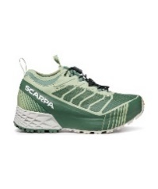 | 00003 | MINERAL GREEN/GRAY | SNEAKERS | S5040 TRAIL RUNNING | ADULT | FEMALE | SCARPA | €90.45 | €199.00 | 795 |  |  |  |  |  |  |  |  |  |  |  |  |  | 14 | 11 | 61 | 51 | 90 | 69 | 61 | 78 | 74 | 60 | 95 | 50 | 81
FW | 33078202 | 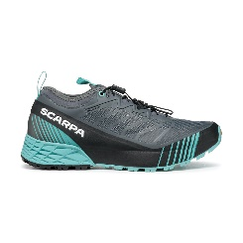 | 00004 | ANTHRACITE/BLUE TURQUOISE | SNEAKERS | S5040 TRAIL RUNNING | ADULT | FEMALE | SCARPA | €90.45 | €199.00 | 745 |  |  |  |  |  |  |  |  |  |  |  |  |  | 10 | 20 | 80 | 90 | 62 | 59 | 93 | 62 | 50 | 92 | 52 | 35 | 31 | 3 | 6
FW | 33078202 | 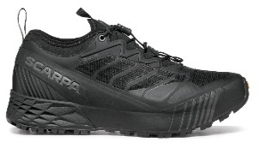 | 00005 | BLACK/BLACK | SNEAKERS | S5040 TRAIL RUNNING | ADULT | FEMALE | SCARPA | €90.45 | €199.00 | 602 |  |  |  |  |  |  |  |  |  |  |  |  |  | 39 | 18 | 52 | 49 | 61 | 42 | 55 | 43 | 69 | 49 | 50 | 36 | 39
SS | 33080202 | 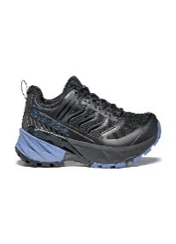 | 00001 | BLACK/PROVENCE | SNEAKERS | S5020 HIKING | ADULT | FEMALE | SCARPA | €76.82 | €169.00 | 1 |  |  |  |  |  |  |  |  |  |  |  |  |  | 1
SS | 33080202 | 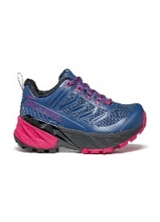 | 00002 | BLUE/FUXIA | SNEAKERS | S5020 HIKING | ADULT | FEMALE | SCARPA | €76.82 | €169.00 | 8 |  |  |  |  |  |  |  |  |  |  |  |  |  | 3 | 1 | 2 |  |  |  |  |  | 1 |  | 1
FW | 33080352 | 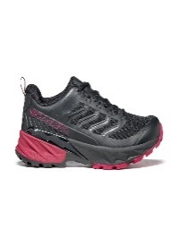 | 00001 | BLACK/CHERRY | SNEAKERS | S5020 HIKING | ADULT | FEMALE | SCARPA | €63.18 | €139.00 | 116 |  |  |  |  |  |  |  |  |  |  |  |  |  | 18 | 4 | 24 | 8 | 46 |  |  |  |  |  | 15 |  | 1
SS | 63084202 | 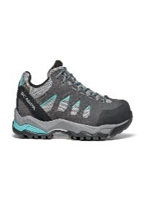 | 00001 | MIDGRAY/STORM GRAY/LAGOON GREEN | SNEAKERS | S5020 HIKING | ADULT | FEMALE | SCARPA | €85.91 | €189.00 | 5 |  |  |  |  |  |  |  |  |  |  |  |  |  |  |  |  |  |  |  |  |  | 1 |  |  |  | 4
SS | 63313352 | 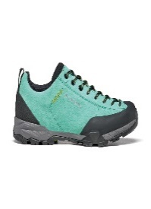 | 00001 | GREEN BLUE | SNEAKERS | S5020 HIKING | ADULT | FEMALE | SCARPA | €67.73 | €149.00 | 15 |  |  |  |  |  |  |  |  |  |  |  |  |  | 3 | 6 |  |  | 6
SS | 72602352 | 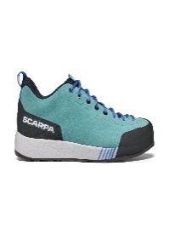 | 00002 | AQUA/VIOLET BLUE | SNEAKERS | S3001 APPROACH | ADULT | FEMALE | SCARPA | €76.82 | €169.00 | 55 |  |  |  |  |  |  |  |  |  |  |  |  |  | 5 | 3 |  | 3 | 9 |  |  |  |  | 6 | 7 | 13 | 9
FW | 72695202 | 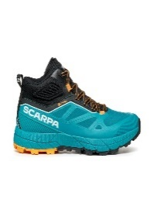 | 00002 | BLUE BAY/SUNNY ORANGE | SNEAKERS | S3001 APPROACH | ADULT | FEMALE | SCARPA | €99.55 | €219.00 | 92 |  |  |  |  |  |  |  |  |  |  |  |  |  | 1 | 1 | 2 | 9 | 11 | 13 | 11 | 18 | 16 | 7 | 2 | 1
SS | 72700202 | 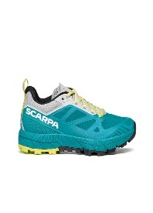 | 00003 | BLUE BAY/SUNNY LIME | SNEAKERS | S3001 APPROACH | ADULT | FEMALE | SCARPA | €95.00 | €209.00 | 2 |  |  |  |  |  |  |  |  |  |  |  |  |  |  |  |  |  |  |  |  |  |  | 1 |  |  | 1
SS | 72700352 | 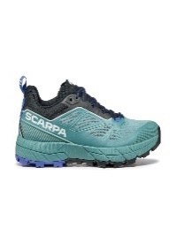 | 00002 | NILE BLUE/VIOLET BLUE | SNEAKERS | S3001 APPROACH | ADULT | FEMALE | SCARPA | €81.36 | €179.00 | 29 |  |  |  |  |  |  |  |  |  |  |  |  |  |  |  | 1 | 1 |  | 5 |  | 4 | 4 | 11 | 1 |  | 2
FW | 72700352 | 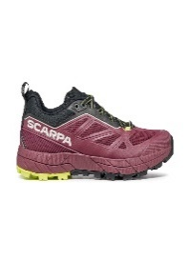 | 00003 | PLUM/SUNNY LIME | SNEAKERS | S3001 APPROACH | ADULT | FEMALE | SCARPA | €81.36 | €179.00 | 31 |  |  |  |  |  |  |  |  |  |  |  |  |  | 2 | 3 | 2 | 3 | 3 | 4 | 1 | 3 | 3 | 2 | 1 | 3 | 1
FW | 72700352 | 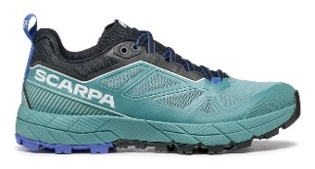 | 00004 | BLUE/VIOLET BLUE | SNEAKERS | S3001 APPROACH | ADULT | FEMALE | SCARPA | €81.36 | €179.00 | 5 |  |  |  |  |  |  |  |  |  |  |  |  |  |  |  |  | 1 | 2 |  |  | 1 | 1
SS | 72701202 | 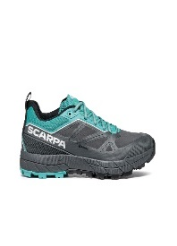 | 00002 | ANTHRACITE/TURQUOISE | SNEAKERS | S3001 APPROACH | ADULT | FEMALE | SCARPA | €95.00 | €209.00 | 332 |  |  |  |  |  |  |  |  |  |  |  |  |  | 1 | 1 | 3 | 28 | 31 | 37 | 37 | 38 | 42 | 39 | 40 | 24 | 11
SS | 72701352 |  | 00002 | NILE BLUE/VIOLET BLUE | SNEAKERS | S3001 APPROACH | ADULT | FEMALE | SCARPA | €81.36 | €179.00 | 31 |  |  |  |  |  |  |  |  |  |  |  |  |  |  | 1 | 11 | 1 | 3 | 1 | 4 | 1 | 2 | 1 | 3 | 1 | 2
SS | 30012200 | 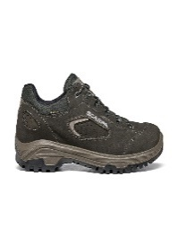 | 00003 | DARK GRAY | SNEAKERS | S5020 HIKING | ADULT | UNISEX | SCARPA | €72.27 | €159.00 | 48 |  |  |  |  |  |  |  |  |  |  |  |  |  |  |  | 4 |  |  |  | 3 |  | 13 |  | 16 |  |  |  |  |  |  |  | 5 |  | 2 |  | 5
FW | 30012350 | 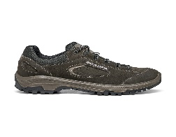 | 00001 | DARK GRAY | SNEAKERS | S5020 HIKING | ADULT | UNISEX | SCARPA | €58.64 | €129.00 | 13 |  |  |  |  |  |  |  |  |  |  |  |  |  |  |  |  |  |  |  |  |  |  |  | 5 |  |  |  |  |  |  |  | 6 |  |  |  | 2
FW | 32507350 | 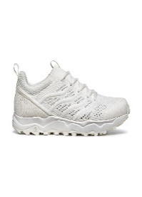 | 00007 | WHITE | SNEAKERS | S7001 URBAN OUTDOOR | ADULT | UNISEX | SCARPA | €63.18 | €139.00 | 177 |  |  |  |  |  |  |  |  |  |  |  |  |  |  |  | 4 | 9 | 16 | 9 | 17 | 7 | 21 | 14 | 21 | 7 |  |  | 2 | 8 | 15 | 2 | 7 | 1 | 10 | 2 | 4 | 1
FW | 32507350 | 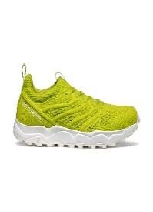 | 00010 | LIME | SNEAKERS | S7001 URBAN OUTDOOR | ADULT | UNISEX | SCARPA | €63.18 | €139.00 | 460 |  |  |  |  |  |  |  |  |  |  |  |  |  |  |  | 22 | 11 | 55 | 3 | 45 | 14 | 44 | 21 | 61 | 15 | 54 | 1 | 44 | 18 | 28 |  | 21 | 3
NO INFO | 32507350 | 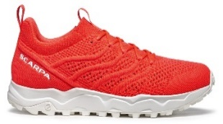 | 00017 | BRIGHT FLAME | SNEAKERS | S7001 URBAN OUTDOOR | ADULT | UNISEX | SCARPA | €63.18 | €139.00 | 234 |  |  |  |  |  |  |  |  |  |  |  |  |  |  |  | 5 | 10 | 16 | 12 | 20 | 10 | 25 | 15 | 25 | 15 | 15 | 10 | 14 | 8 | 18 | 2 | 7 | 5 | 2
SS | 32605100 | 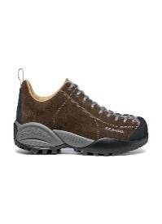 | 00006 | COCOA | SNEAKERS | S7001 URBAN OUTDOOR | ADULT | UNISEX | SCARPA | €76.82 | €169.00 | 79 |  |  |  |  |  |  |  |  |  |  |  |  |  | 4 | 4 | 11 | 7 | 16 | 11 | 10 | 4 | 5 | 3 | 1 |  |  |  |  |  |  | 1 |  | 2
NO INFO | 32605100 | 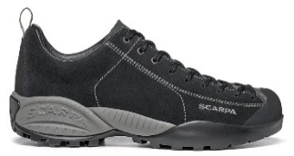 | 00008 | BLACK | SNEAKERS | S7001 URBAN OUTDOOR | ADULT | UNISEX | SCARPA | €76.82 | €169.00 | 15 |  |  |  |  |  |  |  |  |  |  |  |  |  |  | 1 | 1 |  | 6 |  | 7
NO INFO | 32605200 | 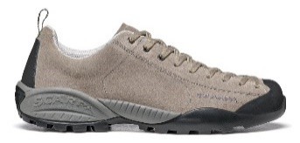 | 00050 | TAUPE | SNEAKERS | S7001 URBAN OUTDOOR | ADULT | UNISEX | SCARPA | €67.73 | €149.00 | 4 |  |  |  |  |  |  |  |  |  |  |  |  |  |  |  |  |  |  |  |  |  |  |  |  |  |  |  |  |  |  |  |  |  |  |  |  | 4
SS | 32605200 | 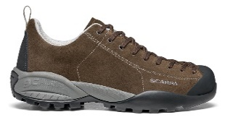 | 00056 | COCOA/COCOA | SNEAKERS | S7001 URBAN OUTDOOR | ADULT | UNISEX | SCARPA | €67.73 | €149.00 | 3 |  |  |  |  |  |  |  |  |  |  |  |  |  | 3
SS | 32605350 | 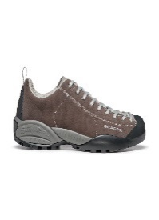 | 00150 | DARK BROWN | SNEAKERS | S7001 URBAN OUTDOOR | ADULT | UNISEX | SCARPA | €72.27 | €159.00 | 21 |  |  |  |  |  |  |  |  |  |  |  |  |  |  | 6 |  |  |  |  |  |  | 1 | 14
FW | 32605350 | 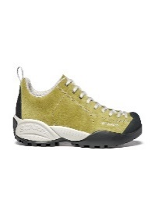 | 00214 | DARK CITRUS | SNEAKERS | S7001 URBAN OUTDOOR | ADULT | UNISEX | SCARPA | €72.27 | €159.00 | 17 |  |  |  |  |  |  |  |  |  |  |  |  |  | 11 |  | 3 | 3
SS | 32605350 | 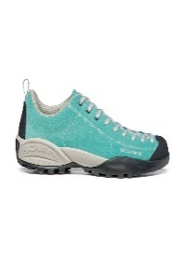 | 00215 | MALDIVE | SNEAKERS | S7001 URBAN OUTDOOR | ADULT | UNISEX | SCARPA | €72.27 | €159.00 | 25 |  |  |  |  |  |  |  |  |  |  |  |  |  |  | 14 | 2 | 9
FW | 32616350 | 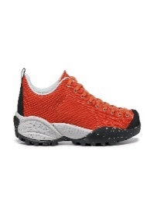 | 00005 | KAKO | SNEAKERS | S7001 URBAN OUTDOOR | ADULT | UNISEX | SCARPA | €58.64 | €129.00 | 51 |  |  |  |  |  |  |  |  |  |  |  |  |  |  | 3 | 1 | 2 | 43 |  |  |  | 2
SS | 32618100 | 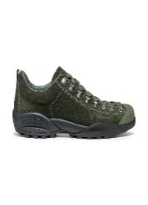 | 00003 | THYME GREEN | SNEAKERS | S7001 URBAN OUTDOOR | ADULT | UNISEX | SCARPA | €76.82 | €169.00 | 62 |  |  |  |  |  |  |  |  |  |  |  |  |  | 2 | 2 | 1 | 1 | 4 | 2 | 2 | 1 | 8 |  | 10 |  | 11 | 1 | 10 |  | 2 |  | 3 | 2
SS | 32618100 | 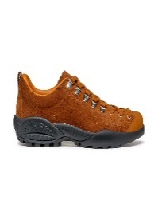 | 00004 | RUST | SNEAKERS | S7001 URBAN OUTDOOR | ADULT | UNISEX | SCARPA | €76.82 | €169.00 | 56 |  |  |  |  |  |  |  |  |  |  |  |  |  | 3 | 2 | 4 | 1 | 2 | 1 | 26 | 2 | 3 |  | 2 |  |  |  |  |  |  |  |  | 1 | 3 | 3 | 3
SS | 32618200 | 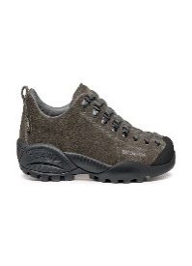 | 00002 | DARK GRAY | SNEAKERS | S7001 URBAN OUTDOOR | ADULT | UNISEX | SCARPA | €85.91 | €189.00 | 14 |  |  |  |  |  |  |  |  |  |  |  |  |  |  |  |  |  |  |  |  |  |  |  | 1 |  | 2 | 1 | 1 | 2 | 4 | 1 | 2
SS | 32618200 | 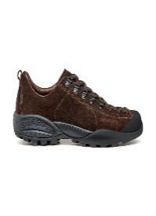 | 00003 | RUM | SNEAKERS | S7001 URBAN OUTDOOR | ADULT | UNISEX | SCARPA | €85.91 | €189.00 | 4 |  |  |  |  |  |  |  |  |  |  |  |  |  |  |  |  |  |  |  |  |  | 1 |  | 1 |  | 1 |  |  | 1
SS | 32626350 | 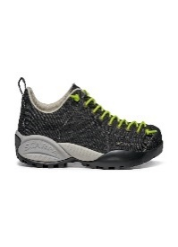 | 00002 | DENIM BLACK | SNEAKERS | S7001 URBAN OUTDOOR | ADULT | UNISEX | SCARPA | €54.09 | €119.00 | 129 |  |  |  |  |  |  |  |  |  |  |  |  |  |  |  | 20 |  | 25 |  |  |  | 64 |  |  |  |  |  |  |  |  |  |  |  | 20
FW | 32638100 | 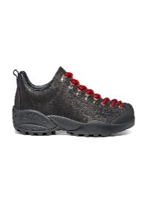 | 00001 | BLACK | SNEAKERS | S7001 URBAN OUTDOOR | ADULT | UNISEX | SCARPA | €72.27 | €159.00 | 6 |  |  |  |  |  |  |  |  |  |  |  |  |  | 1 | 2 | 1 |  |  |  |  |  |  |  |  |  |  |  |  |  |  |  |  | 1 | 1
SS | 32650100 | 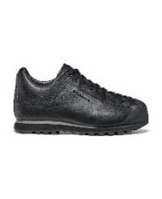 | 00001 | BLACK | SNEAKERS | S7001 URBAN OUTDOOR | ADULT | UNISEX | SCARPA | €70.45 | €155.00 | 11 |  |  |  |  |  |  |  |  |  |  |  |  |  |  |  |  |  | 2 | 1 |  | 4 |  |  |  |  |  |  |  |  |  |  |  |  |  | 2 | 2
FW | 32671200 | 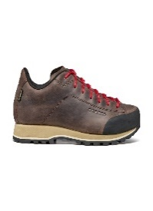 | 00001 | BROWN | SNEAKERS | S7001 URBAN OUTDOOR | ADULT | UNISEX | SCARPA | €76.82 | €169.00 | 16 |  |  |  |  |  |  |  |  |  |  |  |  |  |  |  | 3 |  | 6 | 2 | 3 |  | 1 |  |  |  |  |  |  |  |  |  |  |  |  |  | 1
FW | 32671200 | 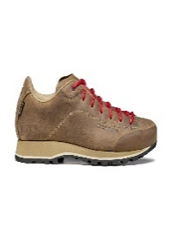 | 00002 | NATURAL | SNEAKERS | S7001 URBAN OUTDOOR | ADULT | UNISEX | SCARPA | €76.82 | €169.00 | 20 |  |  |  |  |  |  |  |  |  |  |  |  |  | 5 | 3 | 6 |  |  |  | 6
FW | 32671200 | 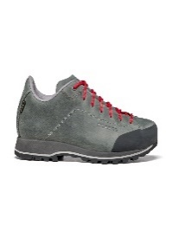 | 00003 | DARK GRAY | SNEAKERS | S7001 URBAN OUTDOOR | ADULT | UNISEX | SCARPA | €76.82 | €169.00 | 13 |  |  |  |  |  |  |  |  |  |  |  |  |  |  |  |  |  |  |  |  |  |  |  |  |  |  |  |  |  |  |  |  |  |  |  | 13
FW | 32671200 | 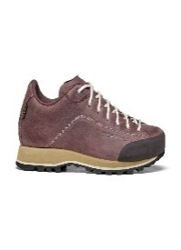 | 00004 | RUBIN | SNEAKERS | S7001 URBAN OUTDOOR | ADULT | UNISEX | SCARPA | €76.82 | €169.00 | 4 |  |  |  |  |  |  |  |  |  |  |  |  |  |  |  |  | 1 |  |  |  |  |  |  |  |  |  |  |  |  |  |  |  | 3
SS | 32671350 | 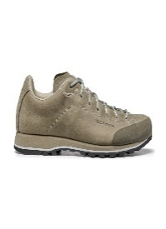 | 00001 | SASSO | SNEAKERS | S7001 URBAN OUTDOOR | ADULT | UNISEX | SCARPA | €63.18 | €139.00 | 58 |  |  |  |  |  |  |  |  |  |  |  |  |  | 10 |  | 2 | 6 |  | 2 |  |  |  |  |  |  |  |  |  |  |  |  | 7 | 2 | 18 | 4 | 7
SS | 32671350 | 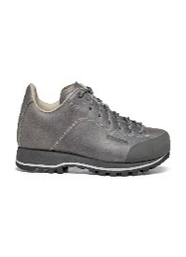 | 00003 | GRAY | SNEAKERS | S7001 URBAN OUTDOOR | ADULT | UNISEX | SCARPA | €63.18 | €139.00 | 16 |  |  |  |  |  |  |  |  |  |  |  |  |  | 1 | 2 |  |  |  |  |  |  |  |  |  |  |  |  |  |  |  |  |  |  | 5 | 7 | 1
SS | 32671350 | 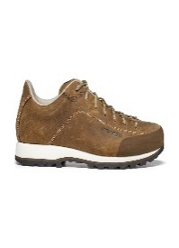 | 00007 | NATURAL | SNEAKERS | S7001 URBAN OUTDOOR | ADULT | UNISEX | SCARPA | €63.18 | €139.00 | 44 |  |  |  |  |  |  |  |  |  |  |  |  |  | 13 |  | 25 | 6
FW | 32676200 | 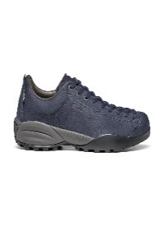 | 00001 | NIGHT | SNEAKERS | S7001 URBAN OUTDOOR | ADULT | UNISEX | SCARPA | €72.27 | €159.00 | 20 |  |  |  |  |  |  |  |  |  |  |  |  |  | 1 | 3 | 1 | 1 |  | 4 |  |  |  | 4 |  | 3 | 1 |  |  |  |  |  |  |  |  | 1 |  | 1
FW | 32676200 |  | 00003 | EARTH | SNEAKERS | S7001 URBAN OUTDOOR | ADULT | UNISEX | SCARPA | €72.27 | €159.00 | 21 |  |  |  |  |  |  |  |  |  |  |  |  |  | 2 | 3 | 5 | 6 |  |  |  | 1 |  |  | 1 |  |  |  |  |  |  |  | 1 |  | 1 |  |  | 1
FW | 32678200 |  | 00002 | BROWN | SNEAKERS | S7001 URBAN OUTDOOR | ADULT | UNISEX | SCARPA | €72.27 | €159.00 | 12 |  |  |  |  |  |  |  |  |  |  |  |  |  |  | 2 | 3 | 1 |  | 3 |  | 2 |  |  |  |  | 1
FW | 32678200 |  | 00003 | BLACK | SNEAKERS | S7001 URBAN OUTDOOR | ADULT | UNISEX | SCARPA | €72.27 | €159.00 | 10 |  |  |  |  |  |  |  |  |  |  |  |  |  | 3 |  | 2 |  |  | 1 |  |  |  |  |  | 1 | 3
SS | 32682200 |  | 00012 | GINGER | SNEAKERS | S7001 URBAN OUTDOOR | ADULT | UNISEX | SCARPA | €81.36 | €179.00 | 89 |  |  |  |  |  |  |  |  |  |  |  |  |  | 21 | 4 | 9 |  | 18 | 3 | 10 | 1 | 8 | 1 | 8 |  |  | 1 |  |  |  |  |  |  | 2 | 2 | 1
SS | 32682200 |  | 00016 | GLICINE | SNEAKERS | S7001 URBAN OUTDOOR | ADULT | UNISEX | SCARPA | €81.36 | €179.00 | 6 |  |  |  |  |  |  |  |  |  |  |  |  |  | 1 |  | 1 |  |  |  |  |  |  |  | 4
SS | 32682200 |  | 00018 | ROSE | SNEAKERS | S7001 URBAN OUTDOOR | ADULT | UNISEX | SCARPA | €81.36 | €179.00 | 9 |  |  |  |  |  |  |  |  |  |  |  |  |  | 1 |  |  |  | 3 | 5
SS | 32682200 |  | 00019 | ELECTRIC BLUE | SNEAKERS | S7001 URBAN OUTDOOR | ADULT | UNISEX | SCARPA | €81.36 | €179.00 | 4 |  |  |  |  |  |  |  |  |  |  |  |  |  |  |  |  |  |  |  |  |  | 1 |  | 2 |  |  |  |  |  |  |  |  |  | 1
SS | 32705200 |  | 00003 | SHARK/LILAC | SNEAKERS | S7001 URBAN OUTDOOR | ADULT | UNISEX | SCARPA | €72.27 | €159.00 | 58 |  |  |  |  |  |  |  |  |  |  |  |  |  | 19 | 6 | 4 |  | 18 |  | 4 |  | 1 |  | 6
SS | 32705200 |  | 00005 | BLUE COSMO/ICE | SNEAKERS | S7001 URBAN OUTDOOR | ADULT | UNISEX | SCARPA | €72.27 | €159.00 | 46 |  |  |  |  |  |  |  |  |  |  |  |  |  | 17 | 2 | 3 | 4 | 15 | 2 |  |  |  |  |  |  |  |  |  |  |  |  |  |  |  |  | 3
FW | 32706350 |  | 00001 | BLACK | SNEAKERS | S7001 URBAN OUTDOOR | ADULT | UNISEX | SCARPA | €76.82 | €169.00 | 841 |  |  |  |  |  |  |  |  |  |  |  |  |  | 19 | 20 | 42 | 29 | 42 | 31 | 62 | 41 | 42 | 34 | 18 | 26 | 2 | 51 | 56 | 57 | 53 | 45 | 51 | 32 | 40 | 6 | 27 | 15
SS | 32706350 |  | 00002 | NIGHT BLUE | SNEAKERS | S7001 URBAN OUTDOOR | ADULT | UNISEX | SCARPA | €76.82 | €169.00 | 1611 |  |  |  |  |  |  |  |  |  |  |  |  |  | 47 | 37 | 96 | 53 | 132 | 71 | 124 | 75 | 71 | 77 | 42 | 10 | 71 | 38 | 120 | 36 | 114 | 47 | 90 | 48 | 96 | 18 | 57 | 41
SS | 32706350 |  | 00004 | AZURE | SNEAKERS | S7001 URBAN OUTDOOR | ADULT | UNISEX | SCARPA | €76.82 | €169.00 | 1032 |  |  |  |  |  |  |  |  |  |  |  |  |  | 70 | 35 | 70 | 42 | 86 | 41 | 106 | 44 | 101 | 53 | 82 | 35 | 62 | 25 | 32 | 23 | 30 | 21 | 22 | 9 | 18 | 6 | 11 | 8
SS | 32706350 |  | 00006 | RED | SNEAKERS | S7001 URBAN OUTDOOR | ADULT | UNISEX | SCARPA | €76.82 | €169.00 | 1002 |  |  |  |  |  |  |  |  |  |  |  |  |  | 42 | 40 | 50 | 47 | 62 | 63 | 72 | 73 | 58 | 70 | 64 | 53 | 52 | 33 | 38 | 31 | 34 | 25 | 28 | 18 | 12 | 11 | 11 | 15
SS | 32706350 |  | 00008 | RASPBERRY | SNEAKERS | S7001 URBAN OUTDOOR | ADULT | UNISEX | SCARPA | €76.82 | €169.00 | 91 |  |  |  |  |  |  |  |  |  |  |  |  |  | 2 | 5 | 5 | 2 | 7 | 12 | 22 | 1 | 1 | 7 | 12 | 8 | 7
FW | 32710200 |  | 00001 | PLUM | SNEAKERS | S7001 URBAN OUTDOOR | ADULT | UNISEX | SCARPA | €76.82 | €169.00 | 1 |  |  |  |  |  |  |  |  |  |  |  |  |  |  |  |  |  | 1
FW | 32710200 |  | 00003 | OCRA | SNEAKERS | S7001 URBAN OUTDOOR | ADULT | UNISEX | SCARPA | €76.82 | €169.00 | 35 |  |  |  |  |  |  |  |  |  |  |  |  |  | 2 |  | 4 | 1 | 14 | 2 | 1 |  | 10 | 1
FW | 32710200 |  | 00007 | BROWN | SNEAKERS | S7001 URBAN OUTDOOR | ADULT | UNISEX | SCARPA | €76.82 | €169.00 | 115 |  |  |  |  |  |  |  |  |  |  |  |  |  | 5 | 2 | 12 | 9 | 14 | 8 | 14 | 6 | 19 | 4 | 14 |  | 5 |  |  |  |  |  | 1 |  | 2
SS | 32710350 |  | 00003 | BEIGE | SNEAKERS | S7001 URBAN OUTDOOR | ADULT | UNISEX | SCARPA | €67.73 | €149.00 | 21 |  |  |  |  |  |  |  |  |  |  |  |  |  |  |  |  |  |  |  |  |  |  |  |  |  |  | 1 |  |  |  | 5 | 5 |  |  | 1 | 9
FW | 32710350 |  | 00004 | ANTRACITE | SNEAKERS | S7001 URBAN OUTDOOR | ADULT | UNISEX | SCARPA | €67.73 | €149.00 | 114 |  |  |  |  |  |  |  |  |  |  |  |  |  | 5 | 4 | 4 | 9 |  | 10 |  | 13 | 6 | 15 | 2 | 12 |  |  |  |  | 1 | 14 |  | 11 | 2 | 6
SS | 32711350 |  | 00012 | PUMPKIN | SNEAKERS | S7001 URBAN OUTDOOR | ADULT | UNISEX | SCARPA | €72.27 | €159.00 | 2 |  |  |  |  |  |  |  |  |  |  |  |  |  |  |  |  |  |  |  |  |  |  |  | 2
SS | 32711350 |  | 00016 | TONIC | SNEAKERS | S7001 URBAN OUTDOOR | ADULT | UNISEX | SCARPA | €72.27 | €159.00 | 201 |  |  |  |  |  |  |  |  |  |  |  |  |  | 4 | 5 | 11 | 3 | 30 | 22 | 30 | 17 | 26 | 12 | 20 | 5 | 9 |  |  | 1 | 4 | 1 | 1
SS | 33061351 |  | 00001 | AZURE/BLACK | SNEAKERS | S5040 TRAIL RUNNING | ADULT | UNISEX | SCARPA | €95.00 | €209.00 | 181 |  |  |  |  |  |  |  |  |  |  |  |  |  |  |  |  |  |  |  | 9 | 4 | 15 | 14 | 31 | 11 | 18 | 1 | 2 | 26 | 5 | 8 | 18 | 4 | 4 | 3 | 1 | 7
NO INFO | 33071351 |  | 00005 | NEON GREEN/ORANGE | SNEAKERS | S5040 TRAIL RUNNING | ADULT | UNISEX | SCARPA | €81.36 | €179.00 | 443 |  |  |  |  |  |  |  |  |  |  |  |  |  |  |  |  |  | 1 | 2 | 2 | 1 | 2 | 4 | 16 | 27 | 41 | 29 | 41 | 28 | 35 | 47 | 56 | 40 | 41 | 15 | 8 | 7
FW | 33072200 |  | 00003 | BLACK/BLACK | SNEAKERS | S5040 TRAIL RUNNING | ADULT | UNISEX | SCARPA | €85.91 | €189.00 | 19 |  |  |  |  |  |  |  |  |  |  |  |  |  | 1 | 1 | 10 | 1 |  |  |  |  |  |  |  |  |  |  |  |  |  |  |  | 1 |  |  | 5
NO INFO | 33072350 |  | 00001 | ACID LIME/BLACK | SNEAKERS | S5040 TRAIL RUNNING | ADULT | UNISEX | SCARPA | €76.82 | €169.00 | 129 |  |  |  |  |  |  |  |  |  |  |  |  |  | 5 | 5 | 7 | 8 | 3 | 8 | 18 | 20 | 8 | 13 | 6 | 6 | 1 |  |  | 1 |  |  |  | 3 | 4 | 1 | 10 | 2
NO INFO | 33072352 |  | 00001 | BRIGHT RED/WHITE | SNEAKERS | S5040 TRAIL RUNNING | ADULT | UNISEX | SCARPA | €85.91 | €189.00 | 178 |  |  |  |  |  |  |  |  |  |  |  |  |  | 19 | 12 | 10 | 39 | 9 | 10 | 4 | 2 | 11 | 9 | 23 | 16 | 14
SS | 33075201 |  | 00001 | ACID LIME/SEAWEED | SNEAKERS | S5040 TRAIL RUNNING | ADULT | UNISEX | SCARPA | €90.45 | €199.00 | 22 |  |  |  |  |  |  |  |  |  |  |  |  |  |  |  |  |  |  |  |  |  | 14 |  | 7 |  |  |  | 1
FW | 33075201 |  | 00003 | BLACK | SNEAKERS | S5040 TRAIL RUNNING | ADULT | UNISEX | SCARPA | €90.45 | €199.00 | 129 |  |  |  |  |  |  |  |  |  |  |  |  |  |  |  |  |  |  |  | 8 | 3 | 7 | 3 | 15 | 17 | 29 |  | 3 | 1 | 8 | 3 | 7 | 5 | 6 | 3 | 4 | 7
SS | 33076351 |  | 00007 | AZURE/BLACK/BLACK | SNEAKERS | S5040 TRAIL RUNNING | ADULT | UNISEX | SCARPA | €75.00 | €165.00 | 113 |  |  |  |  |  |  |  |  |  |  |  |  |  |  |  |  |  |  |  |  |  |  |  | 7 | 7 | 26 |  | 25 | 5 | 18 | 15 | 5 |  | 5
SS | 33076351 |  | 00009 | ACID LIME/BLACK | SNEAKERS | S5040 TRAIL RUNNING | ADULT | UNISEX | SCARPA | €75.00 | €165.00 | 525 |  |  |  |  |  |  |  |  |  |  |  |  |  |  |  |  |  |  |  | 2 |  | 9 |  | 62 | 8 | 81 | 14 | 119 | 21 | 109 | 6 | 58 | 14 | 22
FW | 33078201 |  | 00003 | BLUE/SPICY ORANGE | SNEAKERS | S5040 TRAIL RUNNING | ADULT | UNISEX | SCARPA | €90.45 | €199.00 | 532 |  |  |  |  |  |  |  |  |  |  |  |  |  |  |  |  |  |  |  | 3 |  | 16 | 1 | 39 | 8 | 34 | 5 | 66 | 12 | 98 | 37 | 102 | 22 | 47 | 7 | 34 | 1
FW | 33078201 |  | 00004 | ANTHRACITE/LAKE BLUE | SNEAKERS | S5040 TRAIL RUNNING | ADULT | UNISEX | SCARPA | €90.45 | €199.00 | 593 |  |  |  |  |  |  |  |  |  |  |  |  |  |  |  |  |  |  |  |  | 3 | 4 | 3 | 24 | 31 | 32 | 39 | 52 | 49 | 39 | 73 | 55 | 48 | 45 | 37 | 45 | 14
FW | 33078201 |  | 00005 | BLACK/BLACK | SNEAKERS | S5040 TRAIL RUNNING | ADULT | UNISEX | SCARPA | €90.45 | €199.00 | 762 |  |  |  |  |  |  |  |  |  |  |  |  |  |  |  |  |  |  |  | 7 | 4 | 11 | 10 | 22 | 42 | 73 | 46 | 81 | 62 | 76 | 68 | 68 | 46 | 51 | 44 | 29 | 22
SS | 33078351 |  | 00007 | ORANGE/BLACK | SNEAKERS | S5040 TRAIL RUNNING | ADULT | UNISEX | SCARPA | €81.36 | €179.00 | 6 |  |  |  |  |  |  |  |  |  |  |  |  |  |  |  |  |  |  |  |  |  |  |  | 1 |  | 1 |  | 1 |  |  |  |  |  |  |  | 2 | 1
NO INFO | 33079351 |  | 00005 | GRAY/AZURE | SNEAKERS | S5040 TRAIL RUNNING | ADULT | UNISEX | SCARPA | €99.55 | €219.00 | 245 |  |  |  |  |  |  |  |  |  |  |  |  |  |  |  |  |  |  |  | 12 | 3 | 24 | 16 | 18 | 3 | 41 | 4 | 25 | 6 | 48 | 15 | 3 | 13 | 3 | 5 | 2 | 4
NO INFO | 33079352 |  | 00005 | LIGHT GRAY/ARUBA BLUE | SNEAKERS | S5040 TRAIL RUNNING | ADULT | UNISEX | SCARPA | €99.55 | €219.00 | 733 |  |  |  |  |  |  |  |  |  |  |  |  |  | 23 | 33 | 64 | 35 | 77 | 68 | 115 | 77 | 88 | 45 | 48 | 34 | 21 | 3 | 2
SS | 33080200 |  | 00001 | BLACK/OTTANIO | SNEAKERS | S5020 HIKING | ADULT | UNISEX | SCARPA | €76.82 | €169.00 | 20 |  |  |  |  |  |  |  |  |  |  |  |  |  |  |  |  |  |  |  |  |  |  |  |  |  | 14 |  |  |  |  |  | 6
SS | 33080200 |  | 00002 | BLUE/FIESTA | SNEAKERS | S5020 HIKING | ADULT | UNISEX | SCARPA | €76.82 | €169.00 | 43 |  |  |  |  |  |  |  |  |  |  |  |  |  |  |  |  |  |  |  |  |  |  |  | 12 |  | 26 |  |  |  |  |  | 1 |  | 4
FW | 33080350 |  | 00003 | FREE/DOME | SNEAKERS | S5020 HIKING | ADULT | UNISEX | SCARPA | €63.18 | €139.00 | 36 |  |  |  |  |  |  |  |  |  |  |  |  |  | 1 | 1 | 4 | 3 | 6 |  | 3 |  |  |  |  |  | 12 |  |  |  |  |  | 3 |  | 3
SS | 63070201 |  | 00001 | CHARCOAL/SULPHUR GREEN | SNEAKERS | S5020 HIKING | ADULT | UNISEX | SCARPA | €81.36 | €179.00 | 2 |  |  |  |  |  |  |  |  |  |  |  |  |  |  |  |  |  |  |  |  |  |  |  |  |  |  |  |  |  |  |  |  |  |  |  | 1 | 1
SS | 63074201 |  | 00003 | LICHEN GREEN/STORM GRAY/GRAY | SNEAKERS | S5020 HIKING | ADULT | UNISEX | SCARPA | €85.91 | €189.00 | 21 |  |  |  |  |  |  |  |  |  |  |  |  |  |  |  |  |  |  |  |  |  |  |  | 7 | 1 | 3 |  |  |  | 1 |  |  |  | 2 | 4 | 3
SS | 63074201 |  | 00005 | GRAY/STORM GRAY/LAKE BLUE | SNEAKERS | S5020 HIKING | ADULT | UNISEX | SCARPA | €85.91 | €189.00 | 9 |  |  |  |  |  |  |  |  |  |  |  |  |  |  |  |  |  |  |  |  |  |  |  |  |  |  |  |  |  |  |  |  |  | 1 |  | 6 | 2
SS | 63315200 |  | 00003 | NATURAL | SNEAKERS | S5020 HIKING | ADULT | UNISEX | SCARPA | €85.91 | €189.00 | 4 |  |  |  |  |  |  |  |  |  |  |  |  |  | 2 | 2
SS | 63317200 |  | 00003 | NATURAL | SNEAKERS | S5020 HIKING | ADULT | UNISEX | SCARPA | €95.00 | €209.00 | 30 |  |  |  |  |  |  |  |  |  |  |  |  |  |  | 2 | 2 | 2 | 3 | 5 | 6 | 4 | 3 | 3
SS | 63321200 |  | 00005 | SMOKE | SNEAKERS | S5020 HIKING | ADULT | UNISEX | SCARPA | €99.55 | €219.00 | 20 |  |  |  |  |  |  |  |  |  |  |  |  |  |  |  |  |  | 3 | 1 | 3 | 3 | 6 | 3 |  |  |  |  |  |  |  |  |  | 1
...

